Market
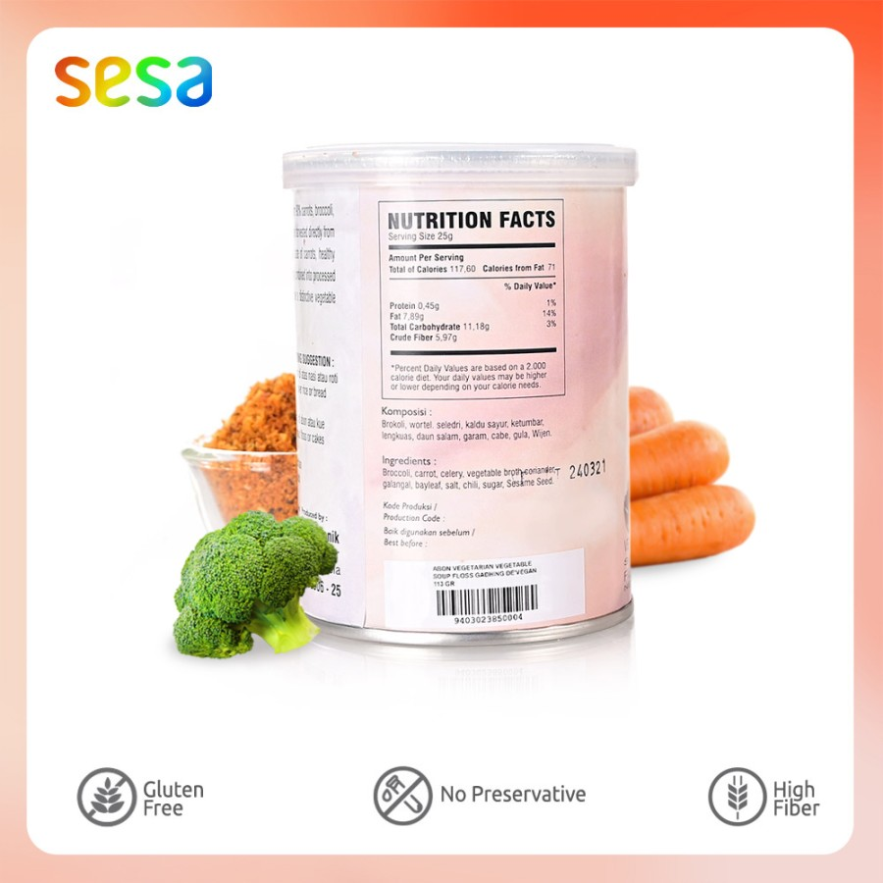
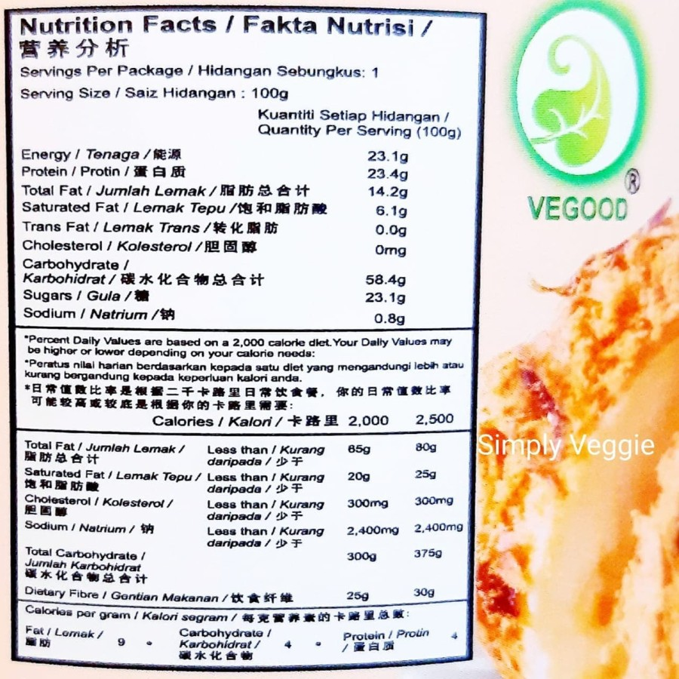
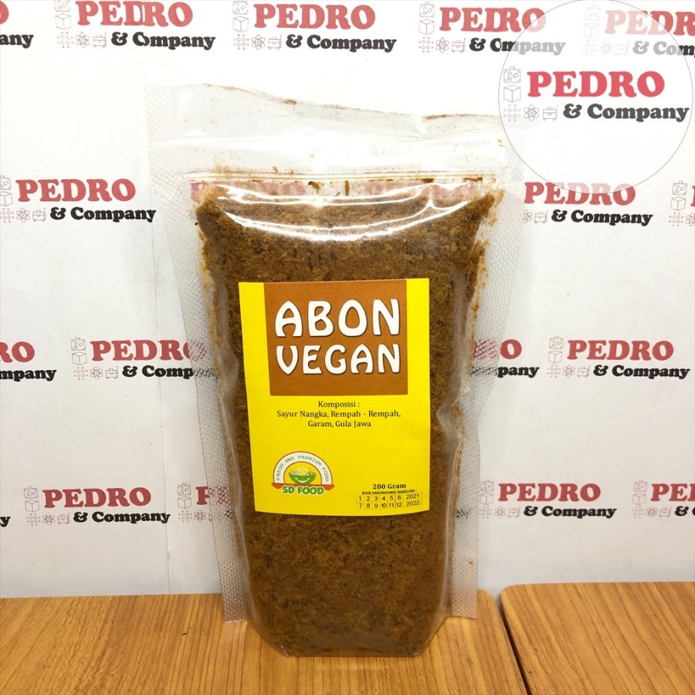
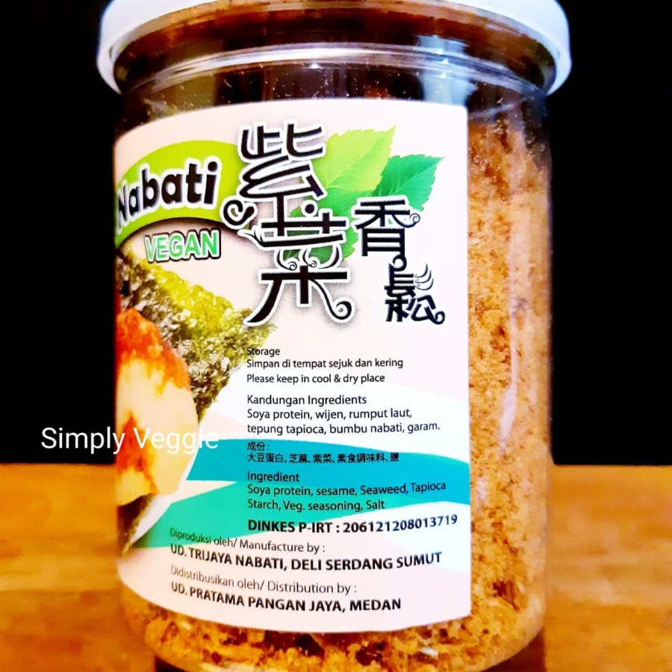
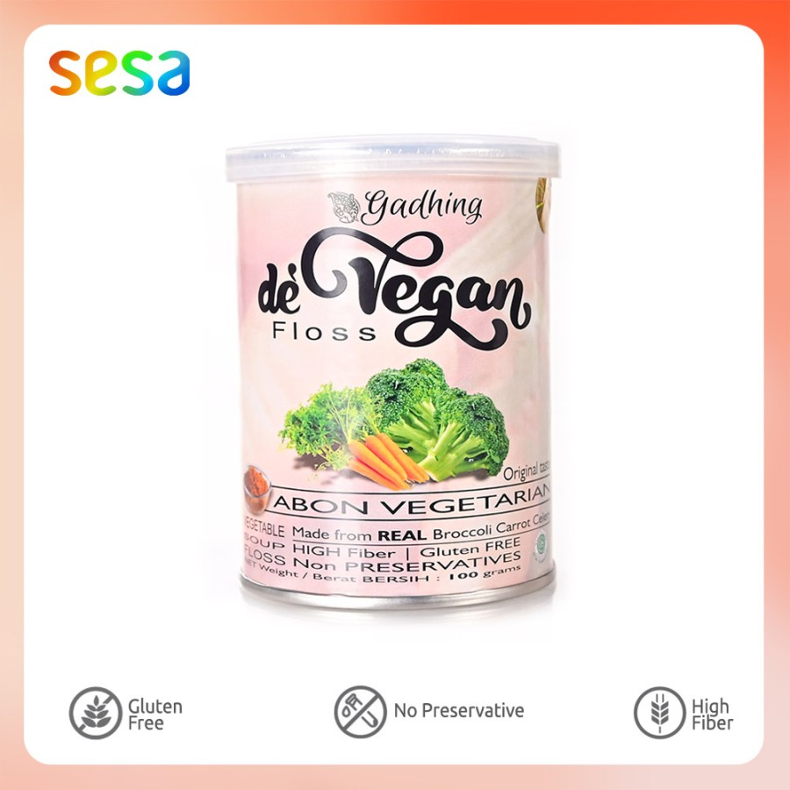
AVG | 361.33333333 | per gr
TS | 400 | per gram

Abon Nabati Vegood |  |  |  |  | Abon Vegan SDFOOD |  |  | Abon Vegan Gadhing Sesa
 |  |  | Rp49,000 | Rp245 |  | Rp88,000 | Rp440 |  | Rp39,900 | Rp399
 |  |  | 200 gram | per gram |  | 200 gr | per gram |  | 100 gr | per gram

Market Potency
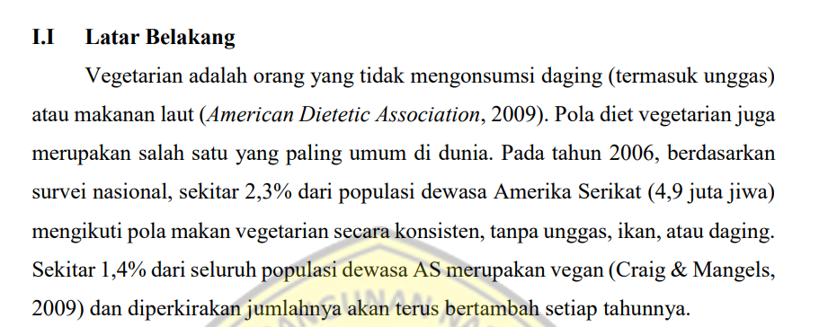
Jumlah penduduk Jakarta | 10,177,924
SES SU, U12 | 30% | Jakarta population
F, 24-55 | 24% | Jakarta population

Stock abon di rumah | 46% | based on research
Ingin abon yang sehat | 65% | based on research
Menjadi vegan | 1%
Choose Tropicana Slim | 50.0%

Target market TS | 1,524 | persons

Consume TS
- min 1x konsumsi perbulan | 1,524 | pcs per month
 |  |  | 524826
Price TS | IDR 36,000 | per portion | 509726
Sales potency |  |  | 451364
- per mo | IDR 54,861,860 |  | 380792
Round Up Market Potency | IDR 50,000,000 | per month | 323266
 |  |  | 267752
 |  |  |  | 2,457,726

Research
